Ejemplo de Tratamiento
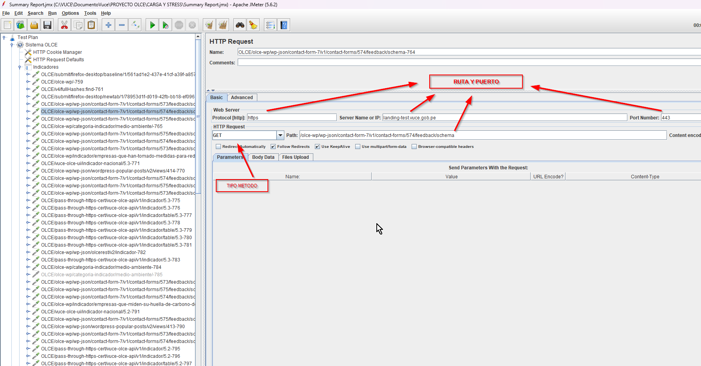
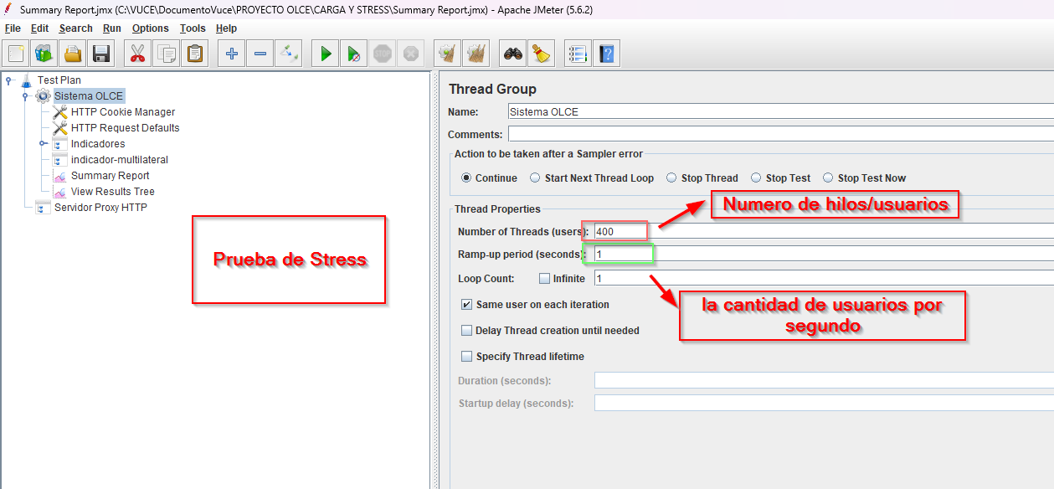
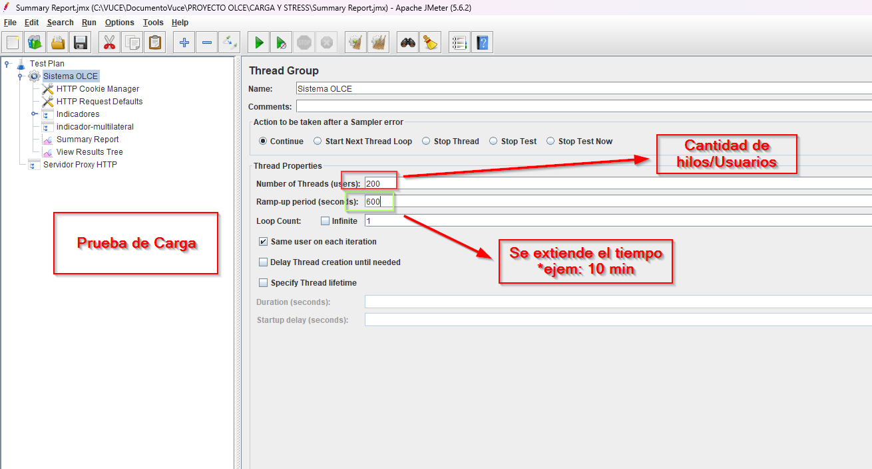
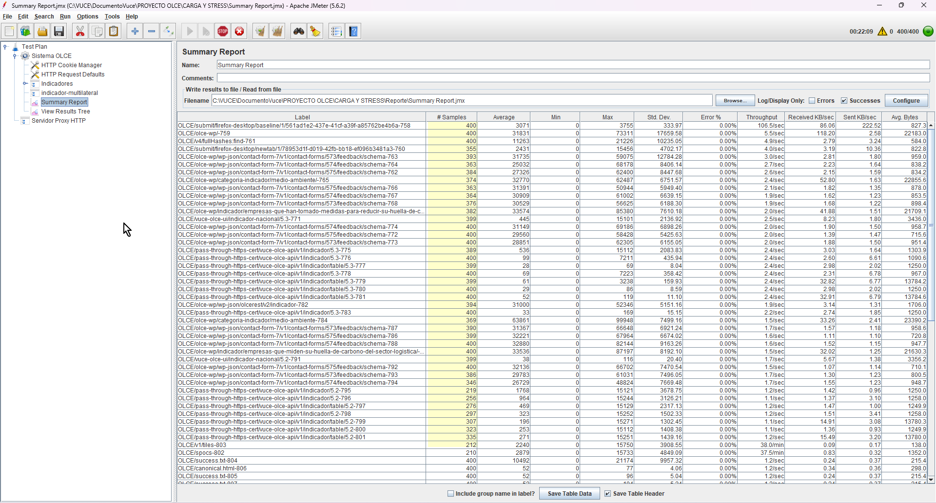
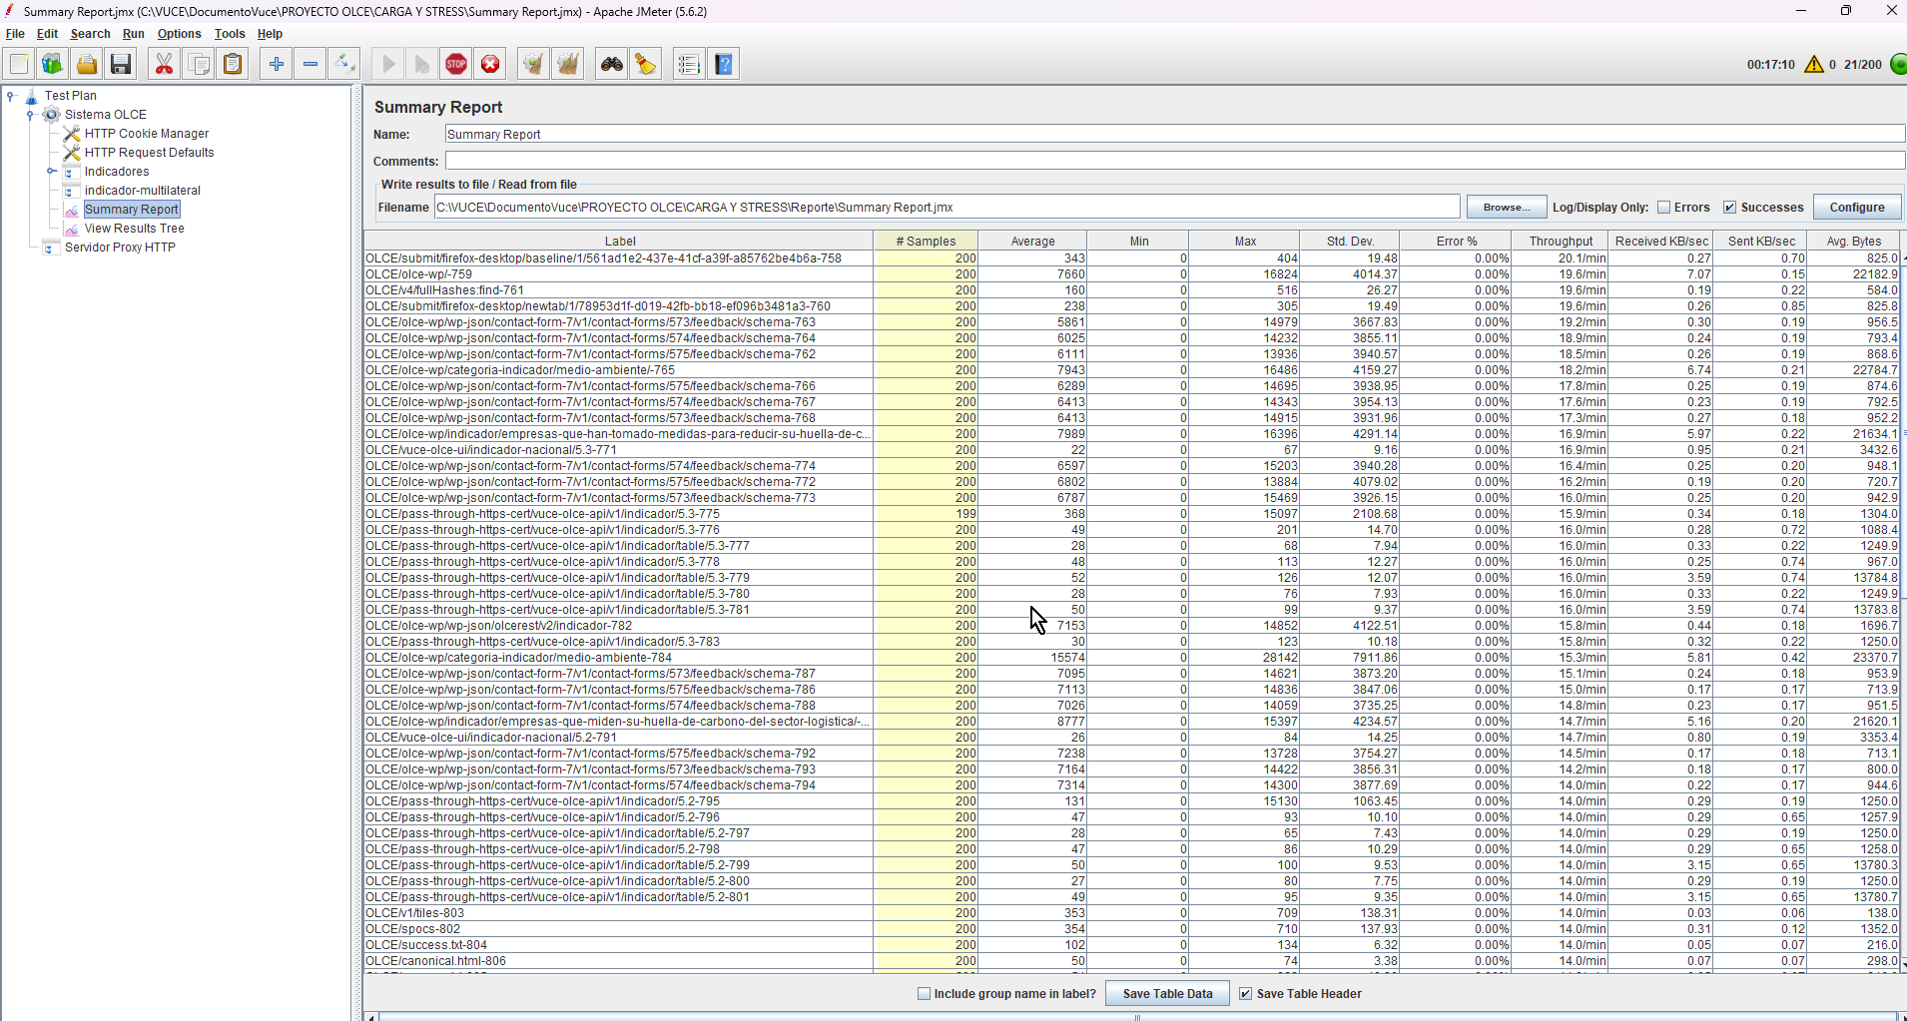
RUTA DE EJEMPLO 1 DE EJECUCIÓN | https://drive.google.com/file/d/1TGltwuyusaPRYYlaV5-LvV3v4jqlB0x0/view?usp=sharing
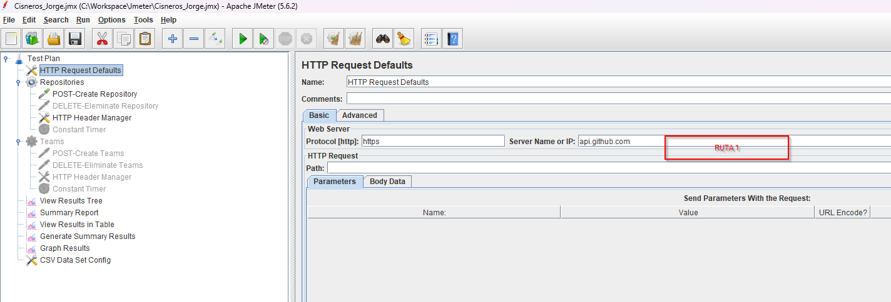

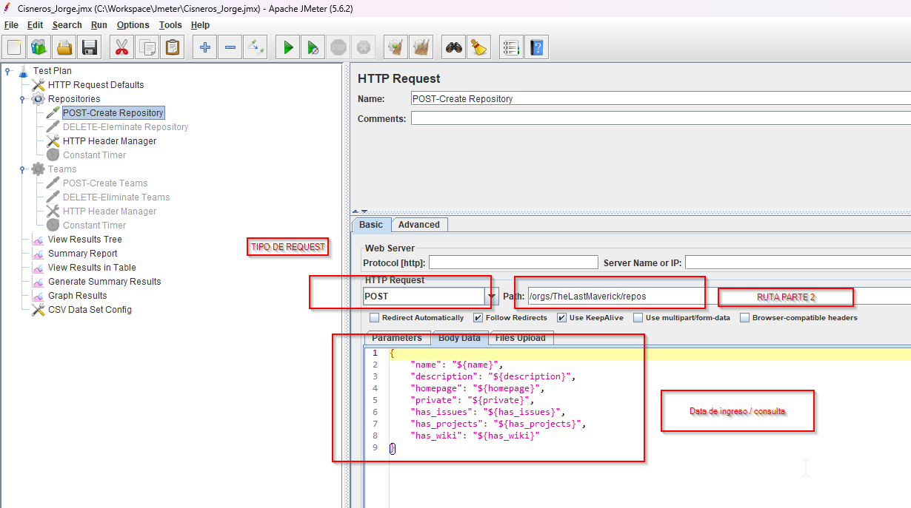

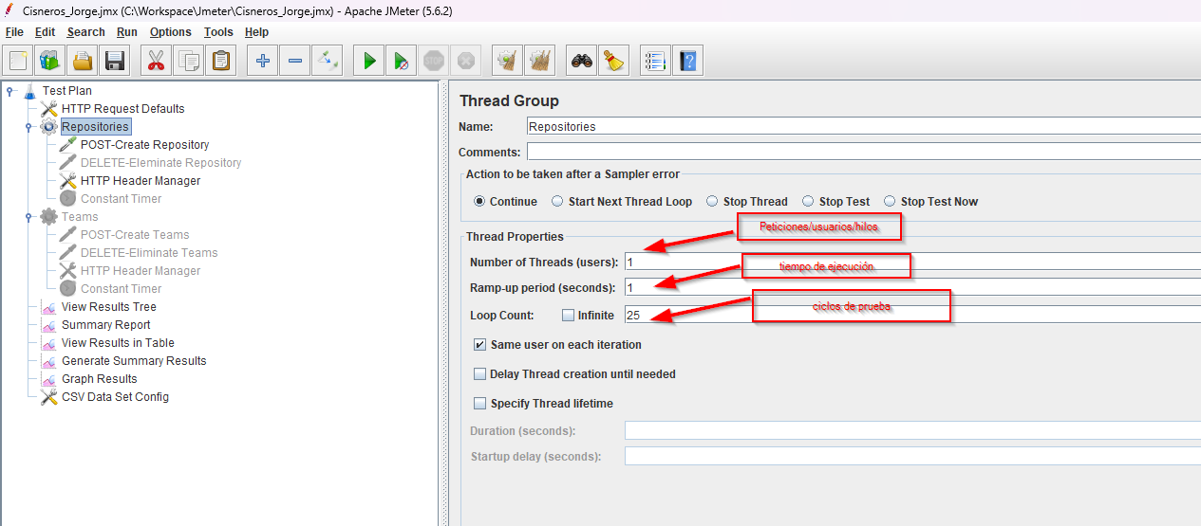

RUTA DE EJEMPLO 2 DE EJECUCIÓN

